Introduction
This document contains mappings of the CIS Critical Security Contros (CIS Controls) and CIS Safeguards to FBI Criminal Justice Information Services (CJIS) Security Policy v5.6
Last updated April 2023

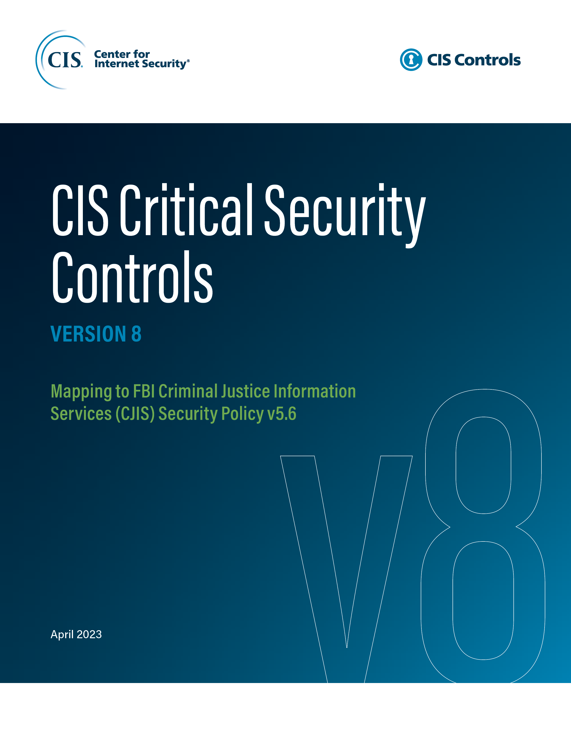

Contact Information
CIS
31 Tech Valley Drive
East Greenbush, NY 12061
518.266.3460
controlsinfo@cisecurity.org

Editor
Thomas Sager

Contributors
Suzana S. Chowdhury
Brian Haugli, RealCISO.io
Jude N. Kaiser
Will Spier
Shrushti Trivedi, MAccy, CICA

With special thanks to Shane Markley

