Introduction
This document contains mappings of the CIS Critical Security Controls (CIS Controls) and CIS Safeguards to the New York Department of Financial Services 23 NYCRR Part 500
Last updated January 2023

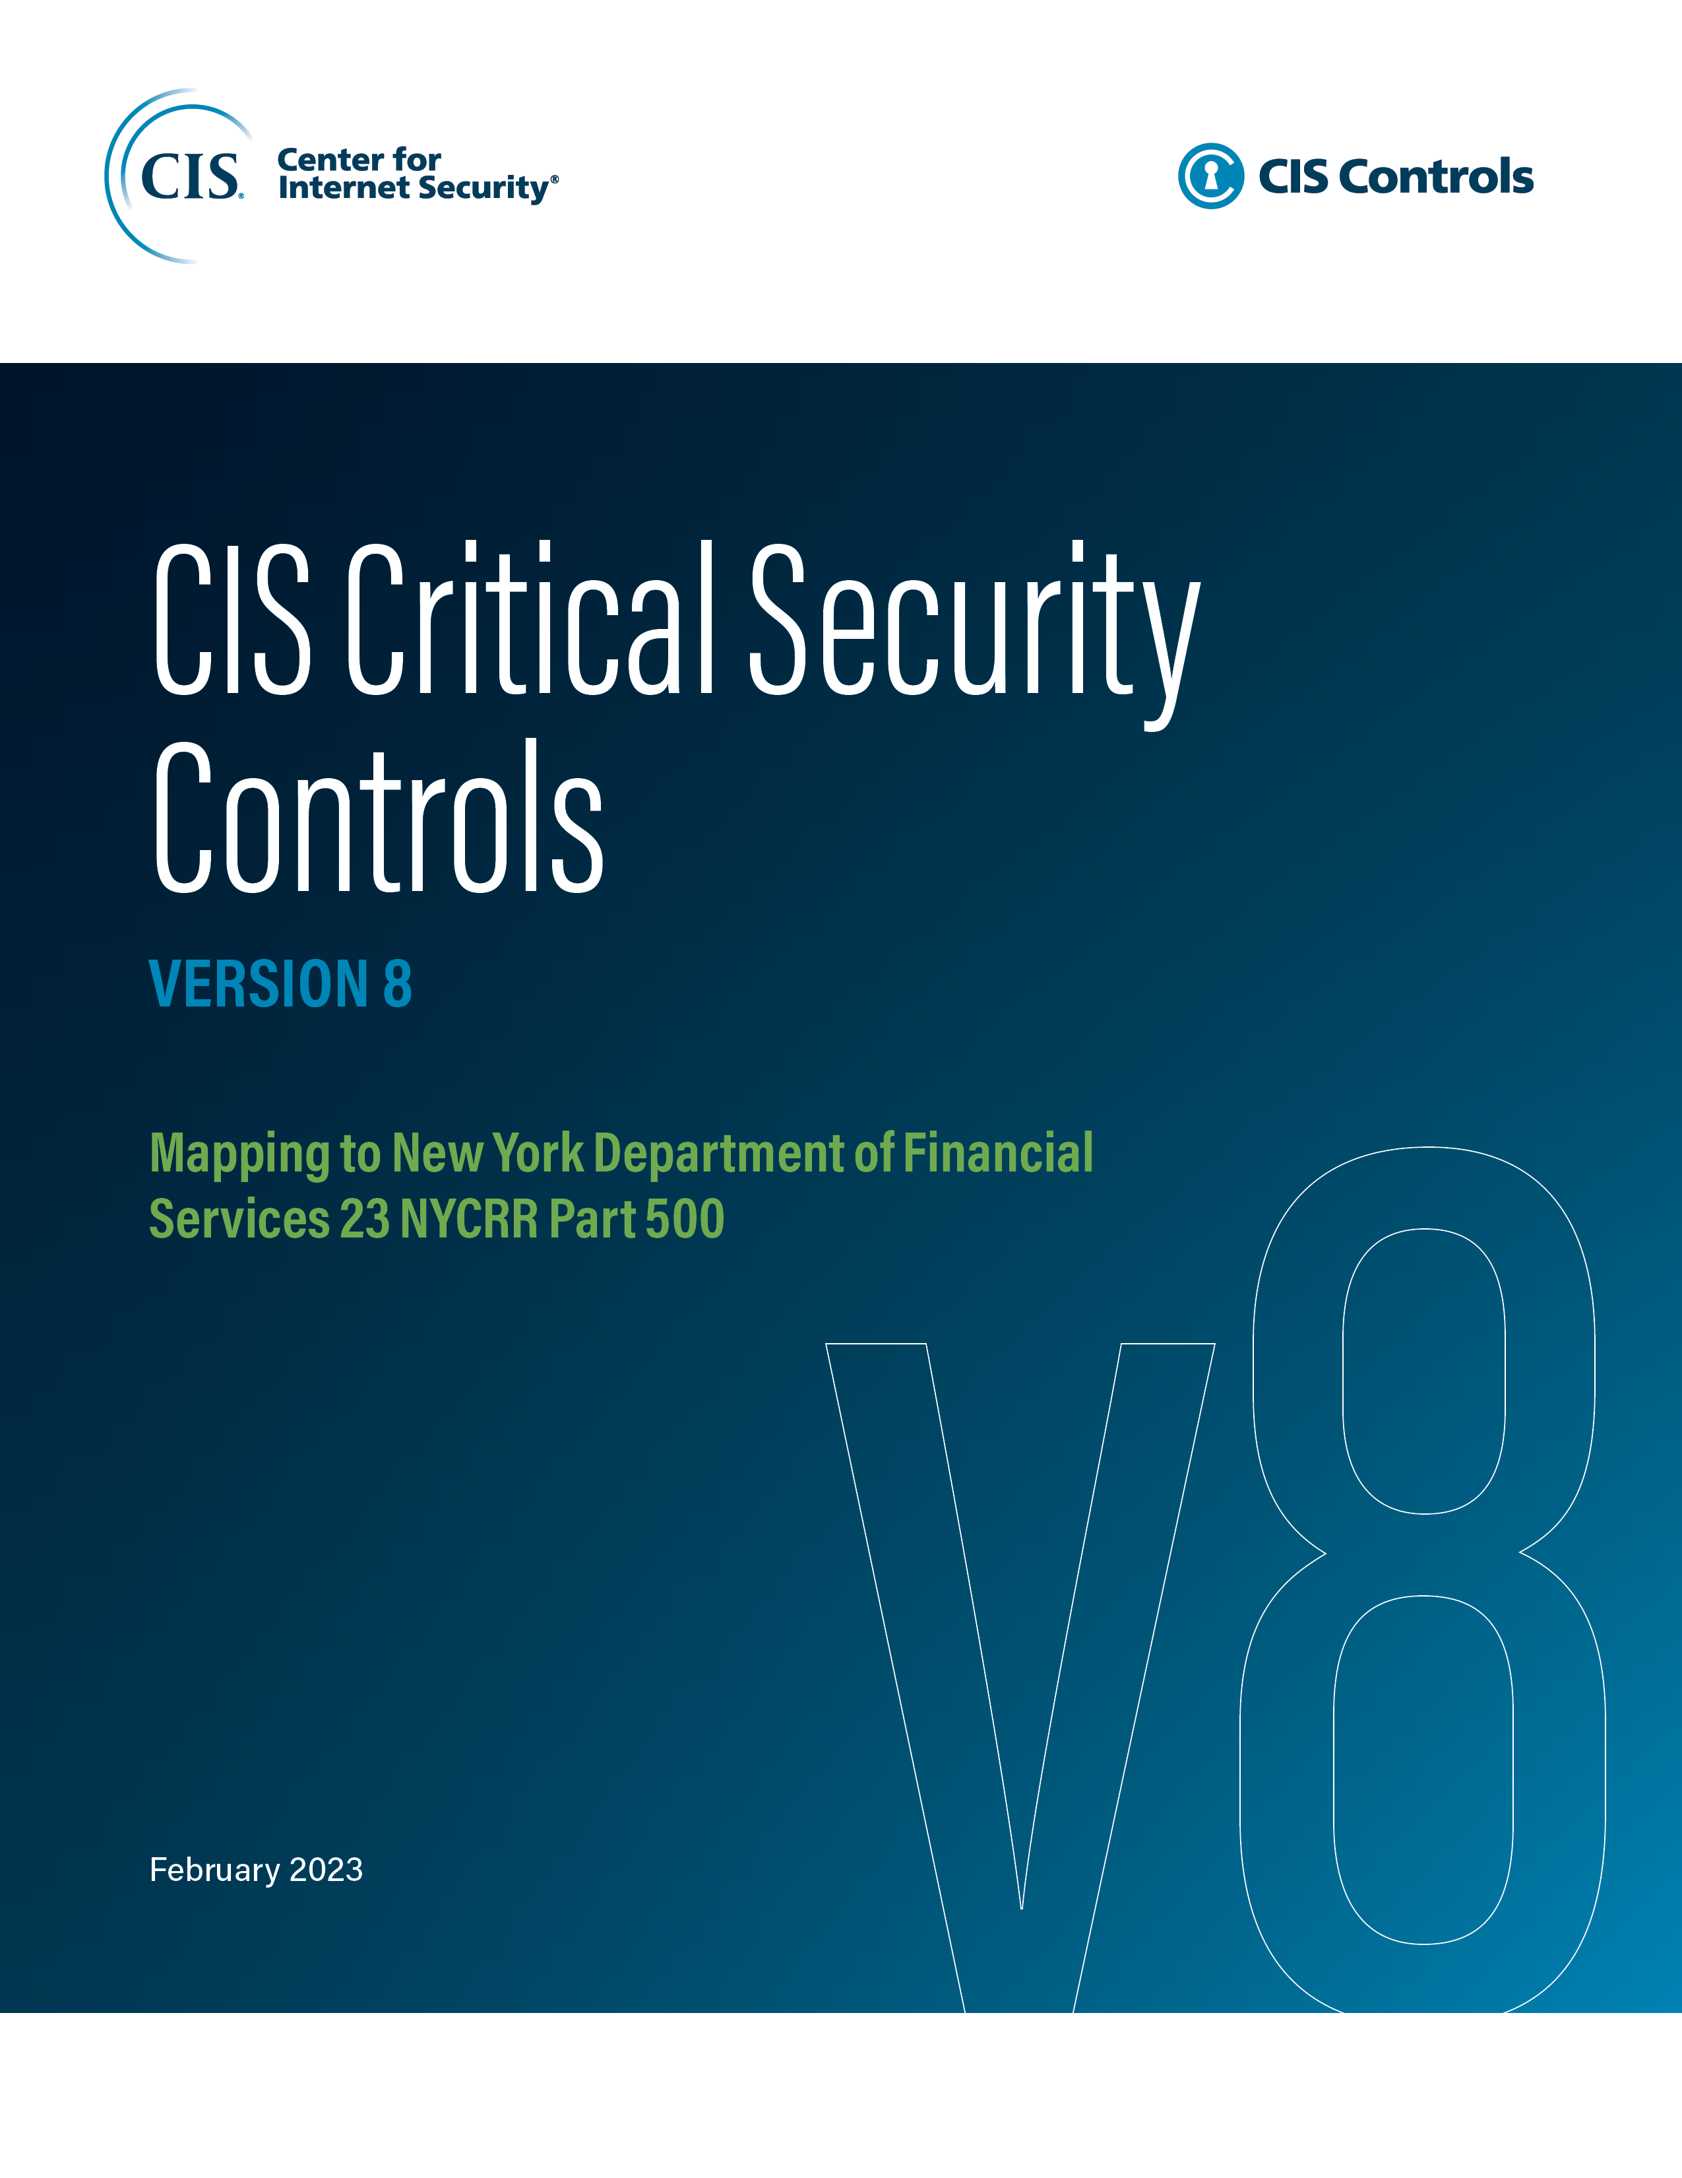

Contact Information
CIS
31 Tech Valley Drive
East Greenbush, NY 12061
518.266.3460
controlsinfo@cisecurity.org

Editors
Thomas Sager

