Introduction
This document contains mappings of the CIS Critical Security Controls (CIS Controls) and CIS Safeguards to PCI Data Security Standard (PCI DSS) v4.0
Last updated September 2023

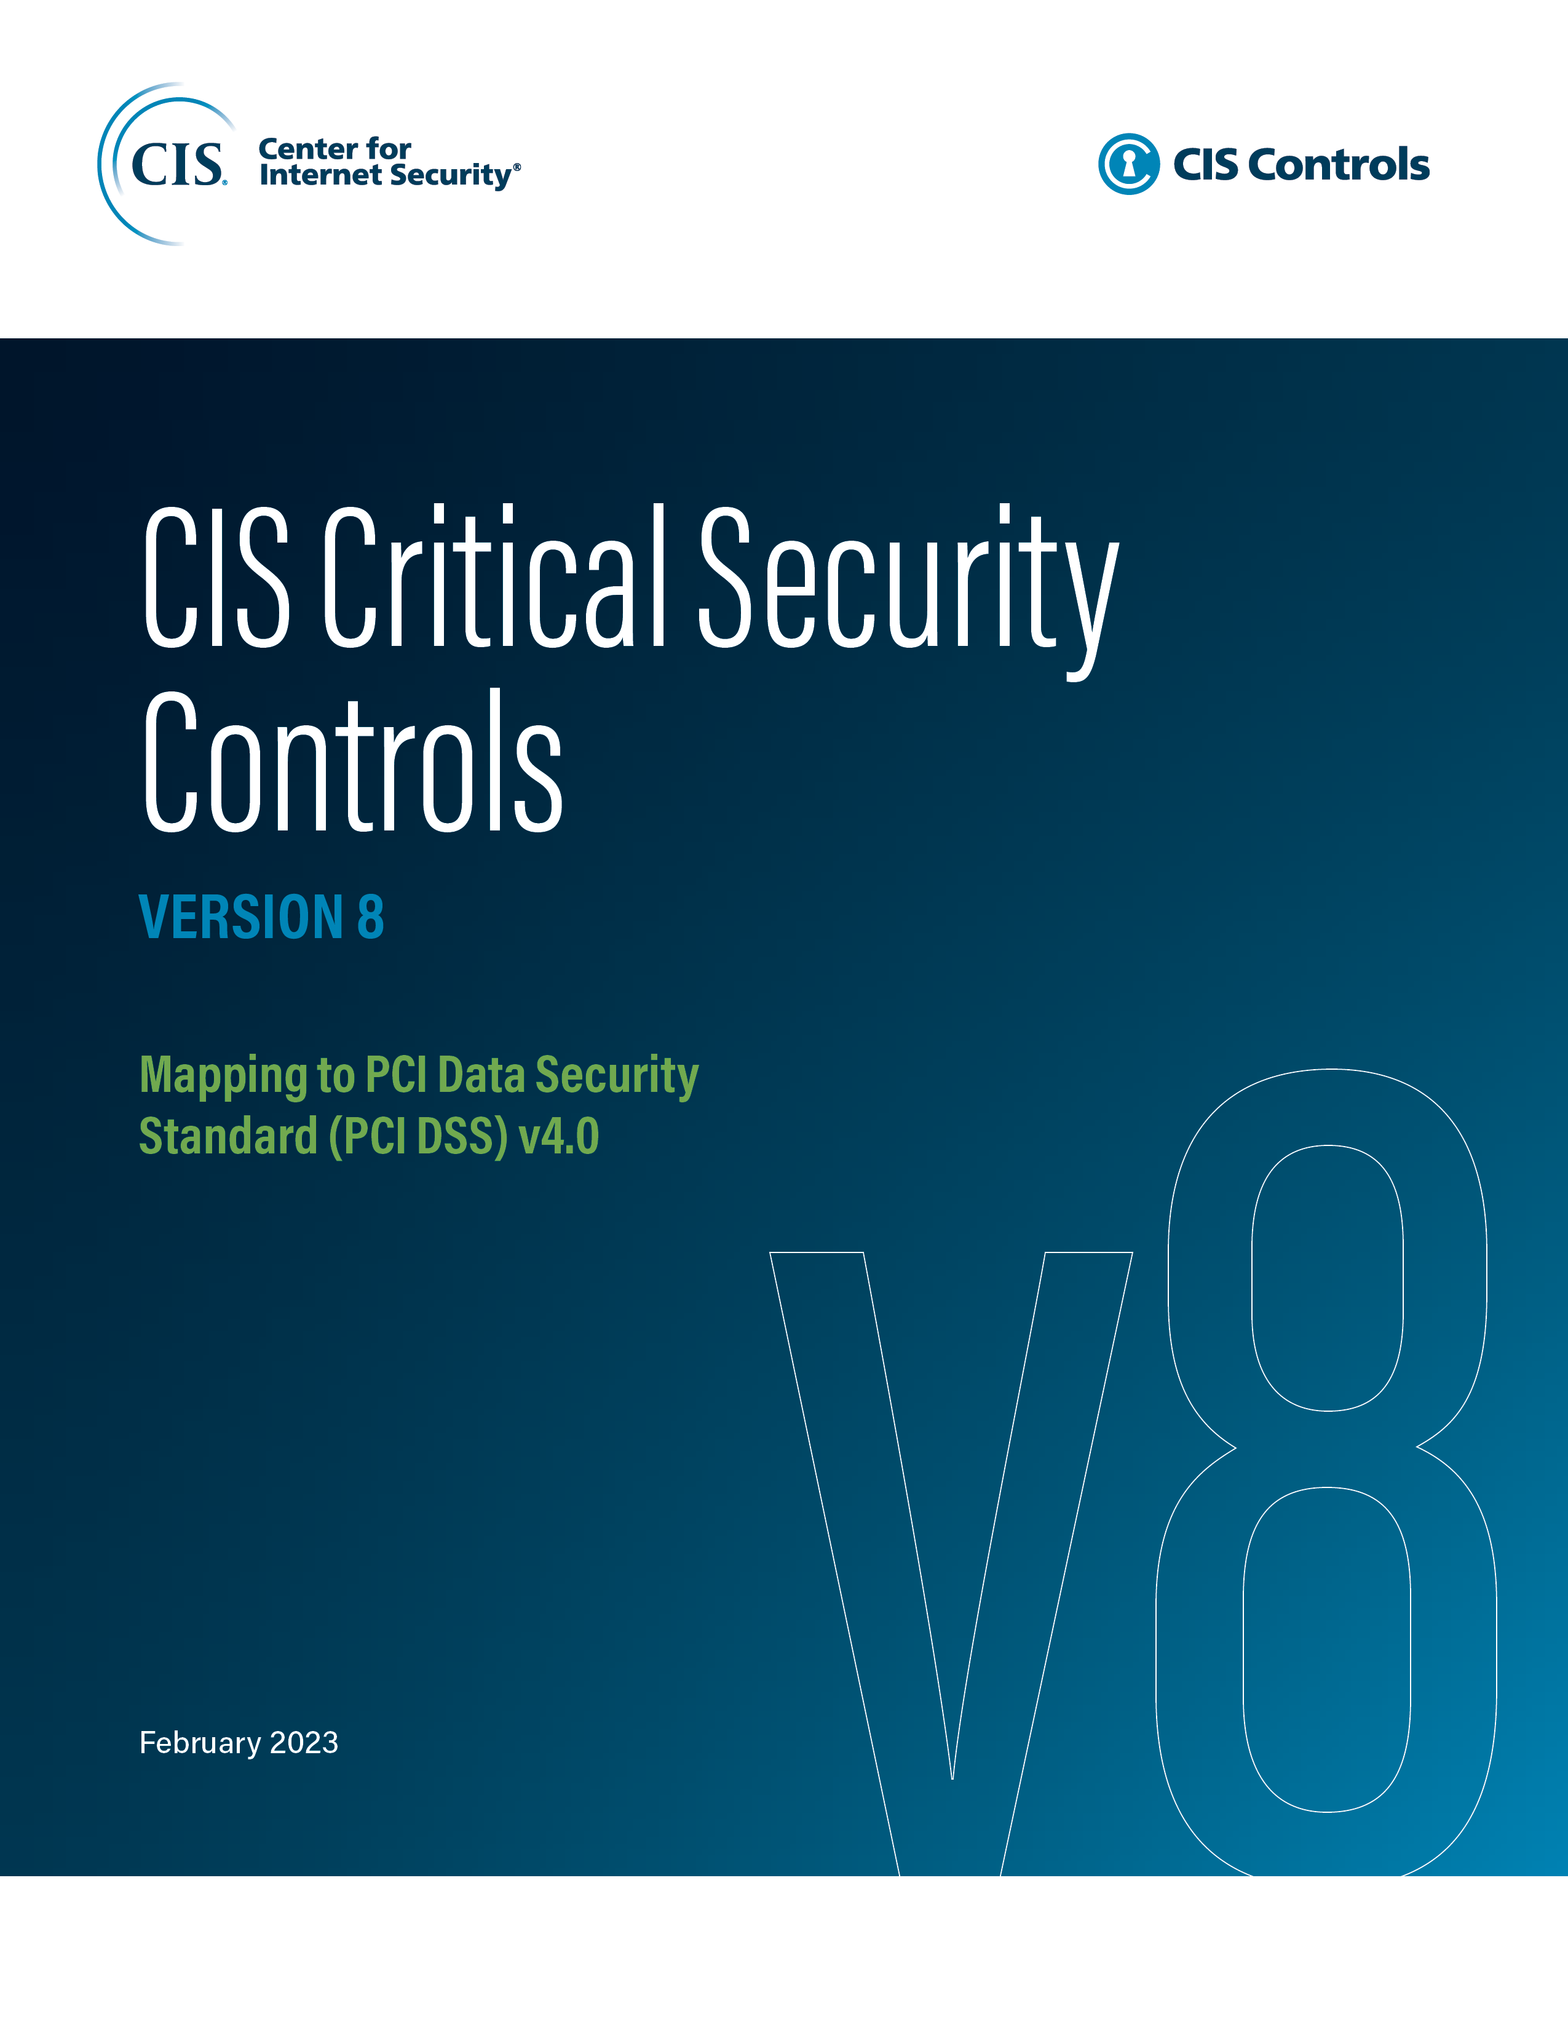

Contact Information
CIS
31 Tech Valley Drive
East Greenbush, NY 12061
518.266.3460
controlsinfo@cisecurity.org

Editors
Thomas Sager

Contributors

